1. Solution by Solver
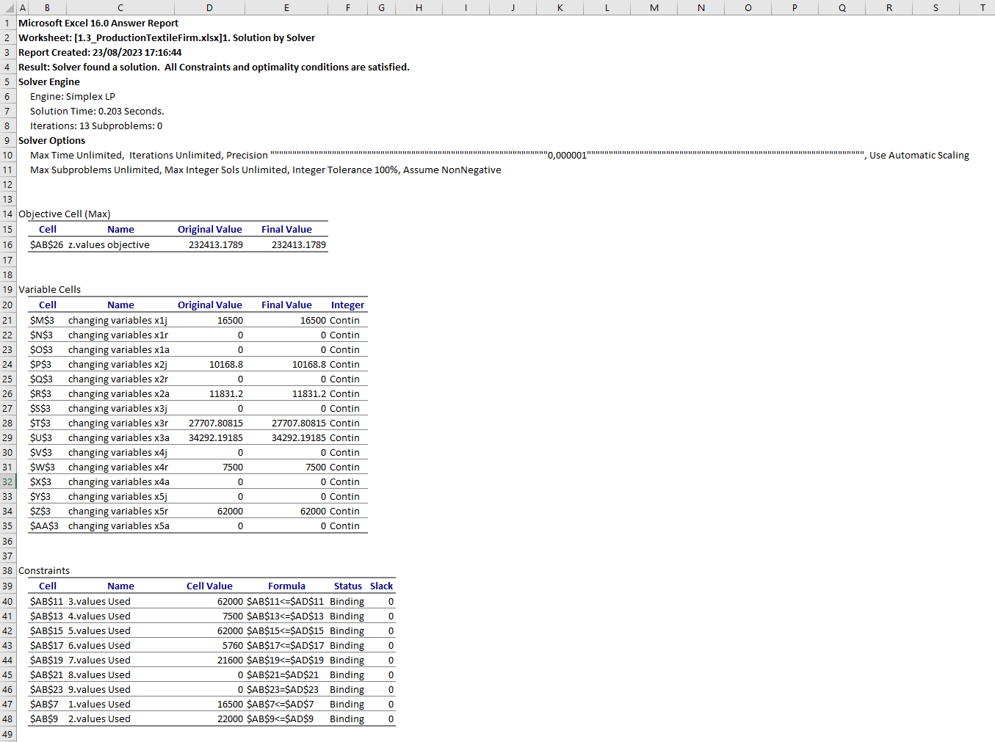
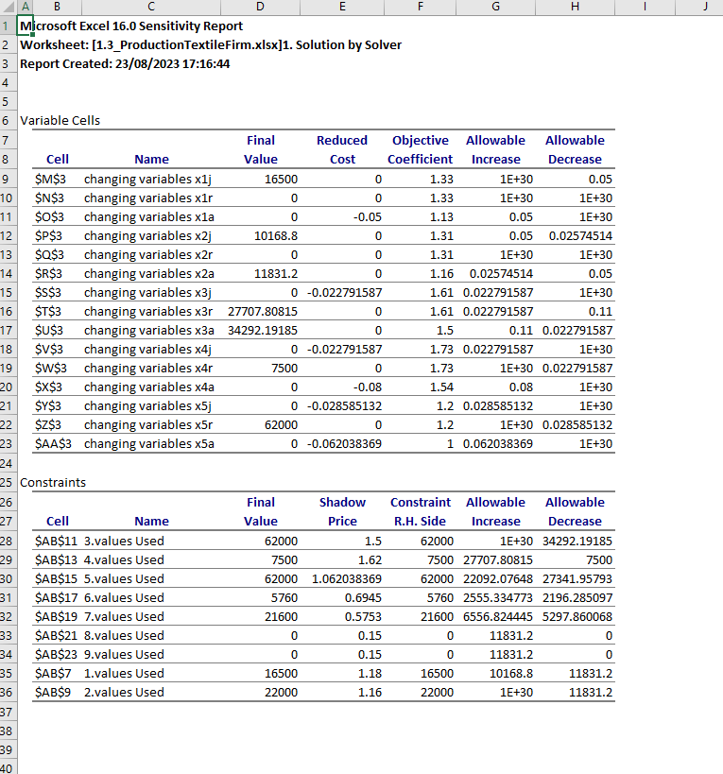
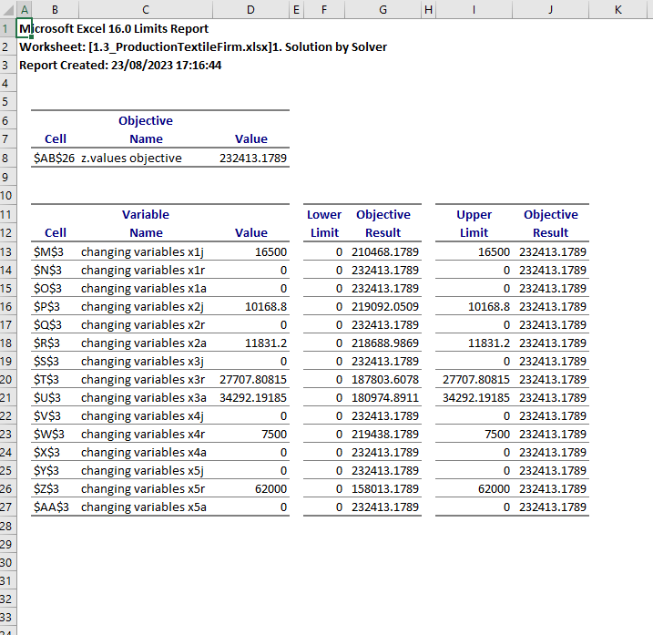
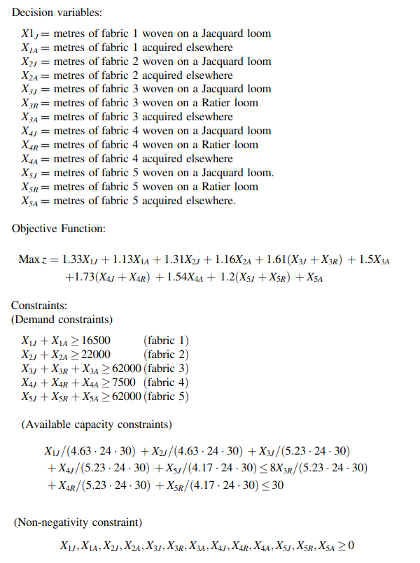
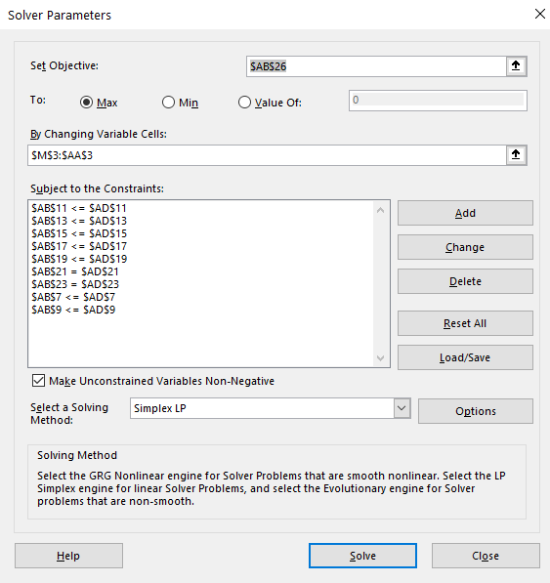
 | x1j | x1r | x1a | x2j | x2r | x2a | x3j | x3r | x3a | x4j | x4r | x4a | x5j | x5r | x5a
changing variables | 16500 | 0 | 0 | 10168.8 | 0 | 11831.2 | 0 | 27707.808153 | 34292.191847 | 0 | 7500 | 0 | 0 | 62000 | 0

constraints |  |  |  |  |  |  |  |  |  |  |  |  |  |  |  | Used |  | Available
1.coefs | 1 | 1 | 1
1.values | 16500 | 0 | 0 | 0 | 0 | 0 | 0 | 0 | 0 | 0 | 0 | 0 | 0 | 0 | 0 | 16500 | <= | 16500
2.coefs |  |  |  | 1 | 1 | 1
2.values | 0 | 0 | 0 | 10168.8 | 0 | 11831.2 | 0 | 0 | 0 | 0 | 0 | 0 | 0 | 0 | 0 | 22000 | <= | 22000
3.coefs |  |  |  |  |  |  | 1 | 1 | 1
3.values | 0 | 0 | 0 | 0 | 0 | 0 | 0 | 27707.808153 | 34292.191847 | 0 | 0 | 0 | 0 | 0 | 0 | 62000 | <= | 62000
4.coefs |  |  |  |  |  |  |  |  |  | 1 | 1 | 1
4.values | 0 | 0 | 0 | 0 | 0 | 0 | 0 | 0 | 0 | 0 | 7500 | 0 | 0 | 0 | 0 | 7500 | <= | 7500
5.coefs |  |  |  |  |  |  |  |  |  |  |  |  | 1 | 1 | 1
5.values | 0 | 0 | 0 | 0 | 0 | 0 | 0 | 0 | 0 | 0 | 0 | 0 | 0 | 62000 | 0 | 62000 | <= | 62000
6.coefs | 0.21598272138 |  |  | 0.21598272138 |  |  | 0.19120458891 |  |  | 0.19120458891 |  |  | 0.23980815348
6.values | 3563.7149028 | 0 | 0 | 2196.2850972 | 0 | 0 | 0 | 0 | 0 | 0 | 0 | 0 | 0 | 0 | 0 | 5760 | <= | 5760
7.coefs |  |  |  |  |  |  |  | 0.19120458891 |  |  | 0.19120458891 |  |  | 0.23980815348
7.values | 0 | 0 | 0 | 0 | 0 | 0 | 0 | 5297.8600676 | 0 | 0 | 1434.0344168 | 0 | 0 | 14868.105516 | 0 | 21600 | <= | 21600
8.coefs |  | 1
8.values | 0 | 0 | 0 | 0 | 0 | 0 | 0 | 0 | 0 | 0 | 0 | 0 | 0 | 0 | 0 | 0 | .= | 0
9.coefs |  |  |  |  | 1
9.values | 0 | 0 | 0 | 0 | 0 | 0 | 0 | 0 | 0 | 0 | 0 | 0 | 0 | 0 | 0 | 0 | .= | 0

z.coefs | 1.33 | 1.33 | 1.13 | 1.31 | 1.31 | 1.16 | 1.61 | 1.61 | 1.5 | 1.73 | 1.73 | 1.54 | 1.2 | 1.2 | 1 | objective
z.values | 21945 | 0 | 0 | 13321.128 | 0 | 13724.192 | 0 | 44609.571127 | 51438.28777 | 0 | 12975 | 0 | 0 | 74400 | 0 | 232413.1789

